Financial Review EXAMPLE
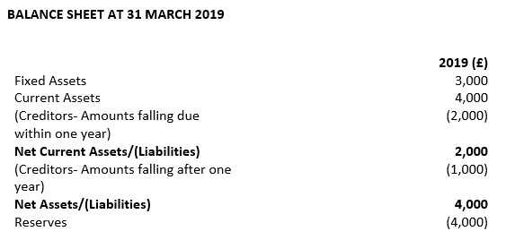
Net current assets/(liabilities)
Current assets | 4,000
Creditors- Amounts falling due within one year | -2,000
Net current assets/(liabilities) | 2,000

Net assets/(liabilities)
Fixed Assets | 3,000
Current Assets | 4,000
Creditors- Amounts falling due within one year | -2,000
Creditors- Amounts falling due after one year | -1,000
Net assets/(liabilities) | 4,000
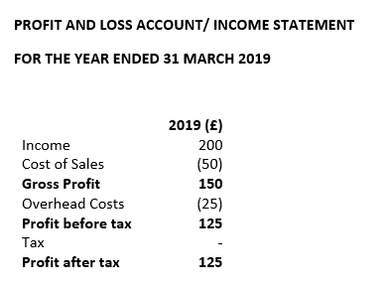

Income/Turnover | 200

Surplus/Profit | 125

