tab 2
Tone of Voice Guidelines

When creating content, how do you want your posts to sound? And how does that vary for different content types? This chart shows the different ways a club could talk in a match report. Simply click on the relevant 'Content Types' or 'Team' box to move it to the appropriate place on the chart. So you can plot how your writing tone may differ across different Content Types, and different Teams at your club.

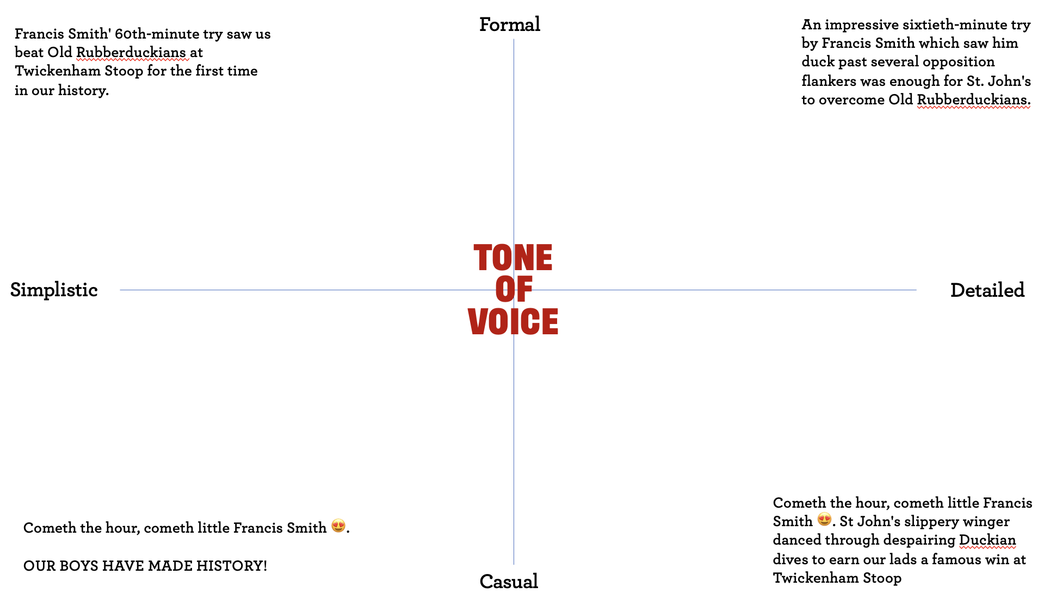
 | Content Types | Teams
Commercial posts
Men's Team

Women's Team
Match reports

2nd XV Team

Fan spotlights
Age Grade Teams

Posts about the rugby world
VETS

Sponsorship posts

